Sheet1
Marketing Communication Calendar
Activity | Description | September,2022 | October,2022 | November,2022 | December,2022 | January,2023 | February, 2023 | Notes/Dependancies
Printed magazines
Chatelaine |  | reach
Fashion Magazins |  | reach |  |  | Continuity
Out-of-Home
Ontario and British Columbia Billboards | Messages from diverce group VS Collective |  |  |  | Starting December, inclues ads for the mirror and Fashion Show |  |  | GRP~50
Other provincies Bilboards |  |  |  |  |  |  |  | GRP~25
Digital LED Canvas Wall | Toronto, Vancouver. Includes Tourists visiting the cities during holydays |  |  |  | Teasers/Ads for the mirror and the Show
Online and Interactive communication
Tick-Tock trend | runway walk challenges
Interactive in-store mirror | mirror with silhouette of the model wings, sharable to Social Media image |  |  |  | Christmas shopping |  | Valentine's Day Shopping | Second wave of mirror installation depends on the success of the first phase
Digital Ads | Ads with
Victoria’s Secret Fashion Show | Open casting, artists performance. Platform: youtube, 45 min show |  |  |  |  |  |  | the culmination of the campaign

All media will be linked with hashtag #WeAreVS

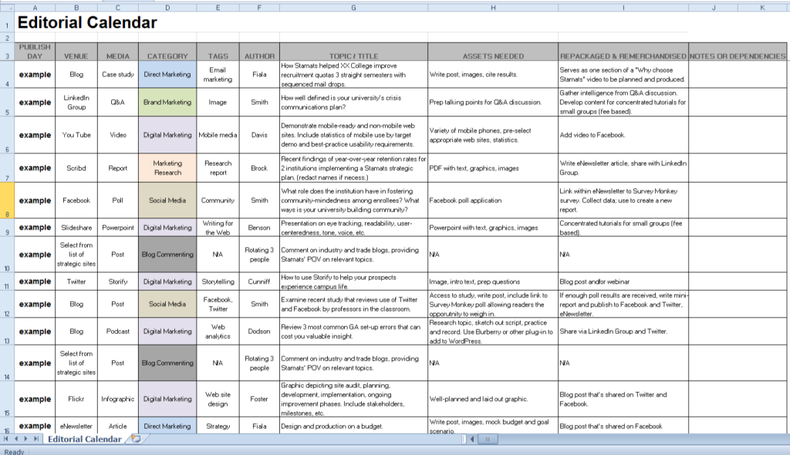

Feb-22

